Directions
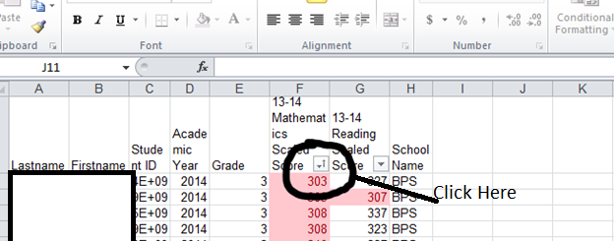
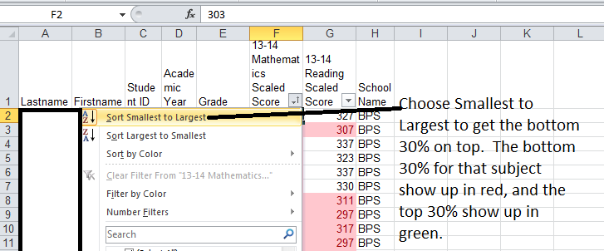
To sort the spreadsheet in order to get the top and bottom 30% of students, first click on the filter button shown below:

